Sheet1
 |  |  |  |  |  |  | INVESTIGATION REPORT
Name | Le Van Tien
ID | I367

1. Flexible software package
1.1 Defenition
The Renesas Flexible Software Package (FSP) is an optimized software package designed to provide easy to use, scalable, high quality software for embedded system design. The primary goal is to provide lightweight, efficient drivers that meet common use cases in embedded systems.
1.2. Common service
Service
Access structures and definitions for peripheral register access (i.e. iodefine.h)
Standard names for intrinsic functions like NOP, WFI, etc.
Global interrupt control (i.e. enable/disable interrupts globally), NVIC control
Configuration of Systick timer
ITM debug primitives (for MCUs that support ITM)
Reporting and control of MCU clock chain
Default ISRs for fixed interrupts
Basic startup code, including clock setup, C runtime initialization, heap initialization
Programming of ID code and flash-based option registers
Global control of parameter checking for FSP code
Register protection
1.3. API Guildine
Main service | Description
Open / Close | Makes module/peripheral available for use by initializing, configuring, allocating resources, locking, etc. as needed and frees up the module/peripheral by resetting, freeing resources, etc. as needed.
Read / Write | Reads/Writes data to storage devices, files, I2C, SPI etc.
WriteRead | For writing and reading in a single transaction as supported by device (eg. SPI). Allows different length for read and write, but in our case we will use only one length for write and read (use max and ignore the additional information)
Start / Stop | Starts operation after Opening (eg. start timer) and Stops operation without closing (eg. stop timer)
Enable / Disable | Enable/Disable certain functionality (eg. interrupts)
Set / Clear / Get | May be used to set/clear specific state, mode, configuration etc.. (eg. clear interrupt, set baudrate)
Reset / BlankCheck / etc | Examples of other APIs that should be used to expose driver functionality that does not fit standard functions above.
InfoGet | Get information that is not updated (for example, DAC resolution).
StatusGet | Get status that can be updated (for example, timer counter, or whether or not a timer is operating if it can be started by a hardware source).

2. Git, SSH
2.1. What is ssh? What is ssh key used for?
SSH, also known as Secure Shell or Secure Socket Shell, is a network protocol that gives users, particularly system administrators, a secure way to access a computer over an unsecured network. SSH also refers to the suite of utilities that implement the SSH protocol. Secure Shell provides strong password authentication and public key authentication, as well as encrypted data communications between two computers connecting over an open network, such as the internet.
2.2 Connect to a linux pc
1. Open the command line/terminal window and run the following ssh command: |  | ssh [username]@[host_ip_address]
2. When connecting to the server for the first time, a message appears asking to confirm the connection. Type yes and press Enter to confirm the remote server identification on the local machine.
3. Provide the password when prompted and press Enter. The screen does not display characters as you are typing.
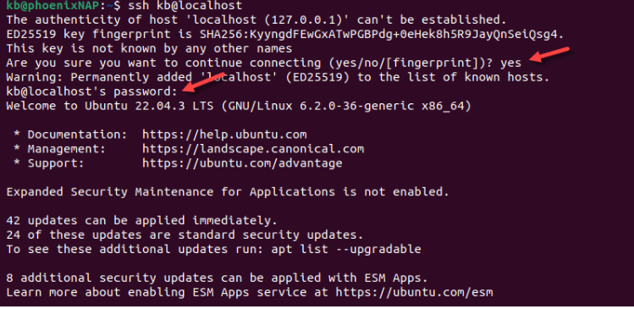

2.3 Using scp to transfer file
scp [OPTION] [user@]SRC_HOST:]file1 [user@]DEST_HOST:]file2

OPTION - scp options such as cipher, ssh configuration, ssh port, limit, recursive copy …etc.
[user@]SRC_HOST:]file1 - Path to the source file. The name of the user on the source machine and the hostname (or the IP address) of the source machine are used when the file is located on a remote machine.
[user@]DEST_HOST:]:file2 - Path to the destination file. The name of the user on the destination machine and the hostname (or the IP address) of the destination machine are used when the file is located on a remote machine.
2.4. What is GIT?
Git is a popular version control system. It was created by Linus Torvalds in 2005, and has been maintained by Junio Hamano since then.
It is use for: - Tracking code changes - Tracking who made changes - Coding collaboration
2.5 Common git command
Command | Function | Column3 | Column4 | Column5 | Column6 | Column7 | Column8 | Column9 | Column10 | Column11 | Column12 | Column13 | Column14 | Column15 | Column16 | Column17 | Column18 | Column19 | Column20 | Column21
git add | Moves changes from the working directory to the staging area. This gives you the opportunity to prepare a snapshot before committing it to the official history.
git branch | This command is your general-purpose branch administration tool. It lets you create isolated development environments within a single repository.
git checkout | In addition to checking out old commits and old file revisions, git checkout is also the means to navigate existing branches. Combined with the basic Git commands, it’s a way to work on a particular line of development
git clone | Creates a copy of an existing Git repository. Cloning is the most common way for developers to obtain a working copy of a central repository.
git commit | Takes the staged snapshot and commits it to the project history. Combined with git add, this defines the basic workflow for all Git users.
git fetch | Fetching downloads a branch from another repository, along with all of its associated commits and files. But, it doesn't try to integrate anything into your local repository. This gives you a chance to inspect changes before merging them with your project.
git config | A convenient way to set configuration options for your Git installation. You’ll typically only need to use this immediately after installing Git on a new development machine.
git init | Initializes a new Git repository. If you want to place a project under revision control, this is the first command you need to learn.
git log | Lets you explore the previous revisions of a project. It provides several formatting options for displaying committed snapshots.
git merge | A powerful way to integrate changes from divergent branches. After forking the project history with git branch, git merge lets you put it back together again.
git pull | Pulling is the automated version of git fetch. It downloads a branch from a remote repository, then immediately merges it into the current branch. This is the Git equivalent of svn update.
git push | Pushing is the opposite of fetching (with a few caveats). It lets you move a local branch to another repository, which serves as a convenient way to publish contributions. This is like svn commit, but it sends a series of commits instead of a single changeset.
git remote | A convenient tool for administering remote connections. Instead of passing the full URL to the fetch, pull, and push commands, it lets you use a more meaningful shortcut.
git status | Displays the state of the working directory and the staged snapshot. You’ll want to run this in conjunction with git add and git commit to see exactly what’s being included in the next snapshot.

3. Bluetooth low energy
Bluetooth is a set of specifications for common short-range wireless applications, covering radios, protocols, and profiles.
Features of the "classic" Bluetooth radio include: - 2.4 GHz ISM (Industrial, Scientific, and Medical) band, 1 Mbps, GFSK (Gaussian Frequency Shift Keying), 4PSK, or 8PSK - 1 MHz channel spacing, with frequency hopping - Adaptive frequency hopping, for co-existence with Wi-Fi up to 100 mW, more than 100 m range is possible
Update classic Bluetooth
BLE (Bluetooth Low Energy) is an extension to the Bluetooth 4.x Core Specification.
Bluetooth and BLE (Bluetooth Low Energy) are two wireless protocol standards with the following differences:
Power Consumption: BLE is designed to consume significantly less power than Bluetooth.
Data Transfer Rate: Bluetooth has a higher data transfer rate compared to BLE.
Connection Range: Bluetooth has a longer connection range than BLE.
Connection Management: BLE supports connection intervals
Hardware Requirements: BLE has lower hardware requirements compared to Bluetooth

4. RTOS
4.1. Overview of RTOS
A real-time operating system (RTOS) is an operating system intended to serve real-time application process data as it comes in, typically without buffering delays. Processing time requirements are measured in tenths of seconds or shorter​.​
The main purpose of an OS is to have the functionality, of running multiple tasks at the same time, which obviously isn’t possible with bare metal.

4.2. Why use RTOS?
In general, real-time operating system are said to require:​​ - Multitasking​ (as picture)​ - Process threads that can be prioritized​​ - A sufficient number of interrupt levels​ ​Real-time operating systems are often required in small embedded operating systems that are packaged as part of microdevices.​ |  | 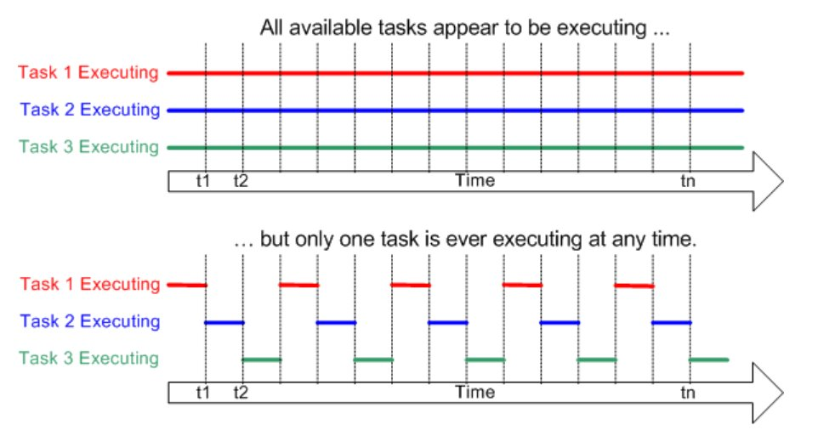

4.3 Task control
Task | Declare function | Call function | Define as 1
Delete task | void vTaskDelete(TaskHandle_t xTask); | vTaskDelete() ​ | INCLUDE_vTaskDelete
Suspend task | void vTaskSuspend(TaskHandle_t xTaskToSuspend);​ | vTaskSuspend() | INCLUDE_vTaskSuspend
Delay task | void vTaskDelay(const TickType_t xTicksToDelay);​ | vTaskDelay() | INCLUDE_vTaskDelay​
Resume task | void vTaskResume(TaskHandle_t xTaskToResume);​ | vTaskResume() | INCLUDE_vTaskSuspend

